Sheet1
EY CHALLENGE - MODEL TESTING

Model | Feature Used | Note | Hyperparameters | Metric for evaluation | Score |  |  | Cross-Val score |  |  | Residuals Plot | Result
 |  |  |  |  | Training | Testing | System Submission | Fold | Mean | Std
Random Forest | red, blue, green, nir08, swir16, swir22, coastal, lwir11, building_height, building_sd, building_year, building_area, street_width, street_lane, ndvi, ndbi, ndwi, albedo, VAR, Building_area_per_pixel, street_traffic, street_orientation | one-hot encoding to categorical columns | default | r^2 | 0.9433 | 0.6221 | 0.7574 | 10 | 0.6132 | 0.0340
Three staged XGB | col_prefix = ['canopy', 'landsat_8_albedo', 'landsat_8_awei', 'lwir', 'landsat_8_ibi', 'landsat_8_arvi', 'landsat_8_ndbi', 'landsat_8_ndwi', 'landsat_8_si', 'landsat_8_ui'] col_suffix = ['mean_51x51', 'std_dev_51x51', 'contrast_51x51', 'energy_51x51', 'mean_25x25', 'std_dev_25x25', 'contrast_25x25', 'energy_25x25', 'mean_9x9', 'std_dev_9x9', 'contrast_9x9', 'energy_9x9', ] numerical_cols = [col for col in data.columns if any(col.startswith(prefix) for prefix in col_prefix) and any(col.endswith(suffix) for suffix in col_suffix) ] others = ['building_height_res100', 'building_height_std_res100', 'building_year_res100', 'var_res100', 'population_res1000', ] numerical_cols = numerical_cols + others categorical_cols = [ 'street_orientation_res100', ] |  | n_estimators=2000, learning_rate=0.005, max_depth=10, min_child_weight=4, colsample_bytree=0.6, subsample=0.8, random_state=42 |  | 0.9927 | 0.9628 | 0.9657
Xtreme GB | red, blue, green, nir08, swir16, swir22, coastal, lwir11, building_height, building_sd, building_year, building_area, street_width, street_lane, CO_column_number_density, tropospheric_HCHO_column_number_density, HCHO_slant_column_number_density, NO2_column_number_density, tropospheric_NO2_column_number_density, stratospheric_NO2_column_number_density, NO2_slant_column_number_density, O3_column_number_density, O3_slant_column_number_density, SO2_column_number_density, SO2_slant_column_number_density, Optical_Depth_047, Optical_Depth_055, AOD_Uncertainty, FineModeFraction, Column_WV, Injection_Height, AOD_QA, AngstromExp_470-780, ndvi, evi, savi, gndvi, arvi, msavi, ndwi, mndwi, awei_nsh, awei_sh, ndsi, nbr, si, ndbi, ui, ibi, albedo, VAR, Building_area_per_pixel, street_traffic, street_orientation | - one-hot encoding to categorical columns - AOD (using raster extraction) - features selection - AQ from satellite extraction | n_estimators=500, learning_rate=0.05, max_depth=10, min_child_weight=5, colsample_bytree=1, subsample=0.8, random_state=42 | r^2 | 0.9897 | 0.8676 | 0.9111 | 10 | 0.8527 | 0.0131 | 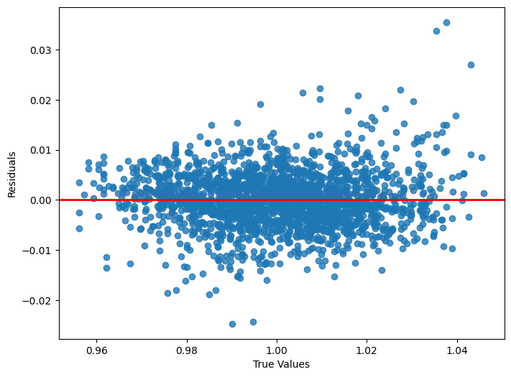
Xtreme GB | EXCLUDE ALL INTERPOLATED AQ FEATURES | - one-hot encoding to categorical columns - AOD (using raster extraction) - features selection | n_estimators=500, learning_rate=0.05, max_depth=10, min_child_weight=5, colsample_bytree=1, subsample=0.8, random_state=42 | r^2 | 0.9896 | 0.8561 | 0.9022 | 10 | 0.8499 | 0.0111 | 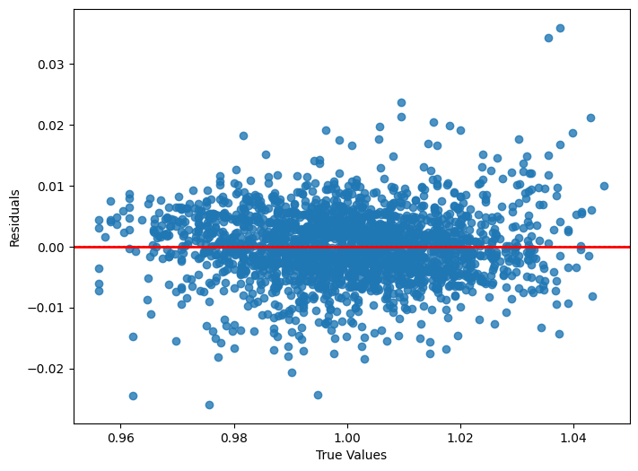
Xtreme GB | lwir11, street_width, street_lane, CO, SO2, NO2, O3, PM25, VOC, NO, Optical_Depth_047, AOD_Uncertainty, Column_WV, AOD_QA, street_traffic, street_orientation | - one-hot encoding to categorical columns - interpolated aqs values (to raster) - AOD (using raster extraction) - features selection | n_estimators=500, learning_rate=0.05, max_depth=10, min_child_weight=5, colsample_bytree=1, subsample=0.8, random_state=42 | r^2 |  |  | 0.9492 | 10
Xtreme GB | nir08, swir22, coastal, lwir11, building_height, street_width, street_lane, CO, SO2, NO2, O3, PM25, VOC, NO, Optical_Depth_047, AOD_Uncertainty, Column_WV, Injection_Height, AOD_QA, ndvi, evi, savi, arvi, msavi, awei_nsh, nbr, ndbi, ibi, albedo, street_traffic, street_orientation | - one-hot encoding to categorical columns - interpolated aqs values (to raster) - AOD (using raster extraction) - features selection | n_estimators=500, learning_rate=0.05, max_depth=10, min_child_weight=5, colsample_bytree=1, subsample=0.8, random_state=42 | r^2 | 0.9921 | 0.9314 | 0.9445 | 10 | 0.9252 | 0.0056 | 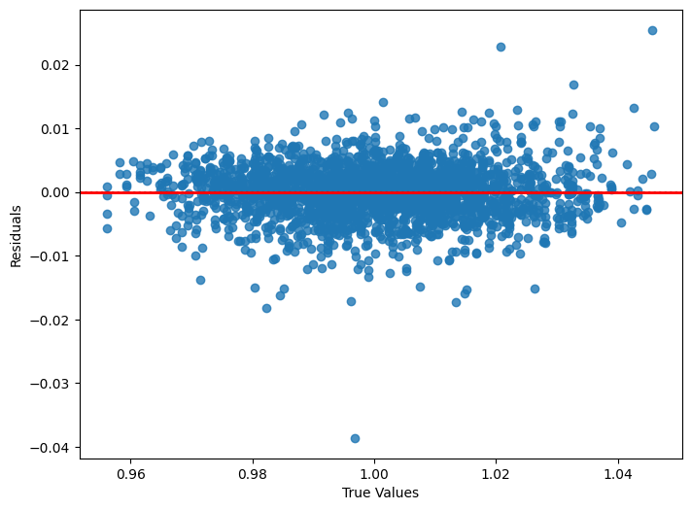
Xtreme GB | red, blue, green, nir08, swir16, swir22, coastal, lwir11, building_height, building_sd, building_year, building_area, street_width, street_lane, ndvi, ndbi, ndwi, albedo, VAR, Building_area_per_pixel, street_traffic, street_orientation, Interpolated_CO, Interpolated_SO2, Interpolated_NO2, Interpolated_O3, Interpolated_PM25, Interpolated_VOC, Interpolated_NO, AOD, Optical_Depth_047, Optical_Depth_055, AOD_Uncertainty, FineModeFraction, Column_WV, Injection_Height, AOD_QA, AngstromExp_470-780 | - one-hot encoding to categorical columns - interpolated aqs values (to raster) - AOD (using raster extraction) | n_estimators=500, learning_rate=0.05, max_depth=10, min_child_weight=5, colsample_bytree=1, subsample=0.8, random_state=42 | r^2 | 0.9923 | 0.9283 | 0.9408 | 10 | 0.9217 | 0.0056 | 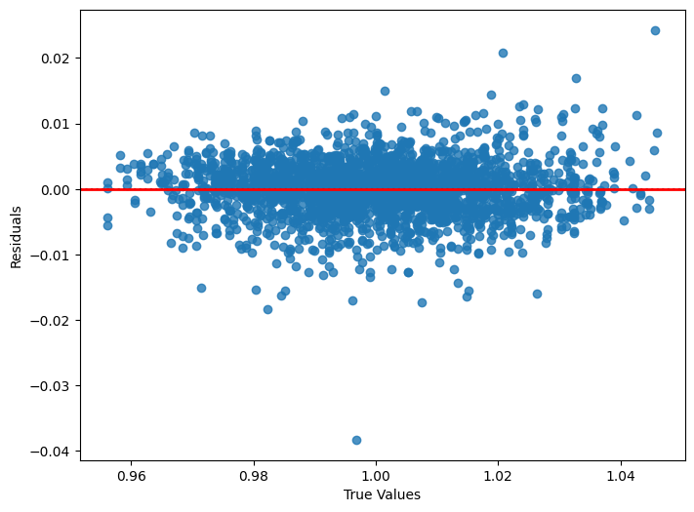
Xtreme GB | red, blue, green, nir08, swir16, swir22, coastal, lwir11, building_height, building_sd, building_year, building_area, street_width, street_lane, ndvi, ndbi, ndwi, albedo, VAR, Building_area_per_pixel, street_traffic, street_orientation, Interpolated_CO, Interpolated_SO2, Interpolated_NO2, Interpolated_O3, Interpolated_PM25, Interpolated_VOC, Interpolated_NO, AOD | - one-hot encoding to categorical columns - interpolated aqs values (to raster) - estimated AOD (using satellite's image bands) | n_estimators=500, learning_rate=0.05, max_depth=10, min_child_weight=5, colsample_bytree=1, subsample=0.8, random_state=42 | r^2 | 0.9919 | 0.9248 | 0.9428 | 10 | 0.9162 | 0.0087 | 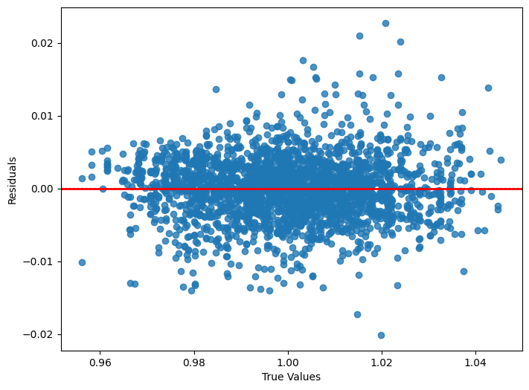
Xtreme GB | red, blue, green, nir08, swir16, swir22, coastal, lwir11, building_height, building_sd, building_year, building_area, street_width, street_lane, ndvi, ndbi, ndwi, albedo, VAR, Building_area_per_pixel, street_traffic, street_orientation, AOD, PM_2.5, NO2, SO2 | one-hot encoding to categorical columns | n_estimators=500, learning_rate=0.05, max_depth=10, min_child_weight=5, colsample_bytree=1, subsample=0.8, random_state=42 | r^2 | 0.9897 | 0.6919 | 0.8169 | 10 | 0.6712 | 0.0355
Xtreme GB | red, blue, green, nir08, swir16, swir22, coastal, lwir11, building_height, building_sd, building_year, building_area, street_width, street_lane, ndvi, ndbi, ndwi, albedo, VAR, Building_area_per_pixel, street_traffic, street_orientation, Interpolated_CO, Interpolated_SO2, Interpolated_NO2, Interpolated_O3, Interpolated_PM25, Interpolated_VOC, Interpolated_NO, AOD | - one-hot encoding to categorical columns - interpolated aqs values - estimated AOD (using satellite's image bands) | n_estimators=500, learning_rate=0.05, max_depth=10, min_child_weight=5, colsample_bytree=1, subsample=0.8, random_state=42 | r^2 | 0.9949 | 0.9528 | 0.9574 | 10 | 0.9497 | 0.0049 | 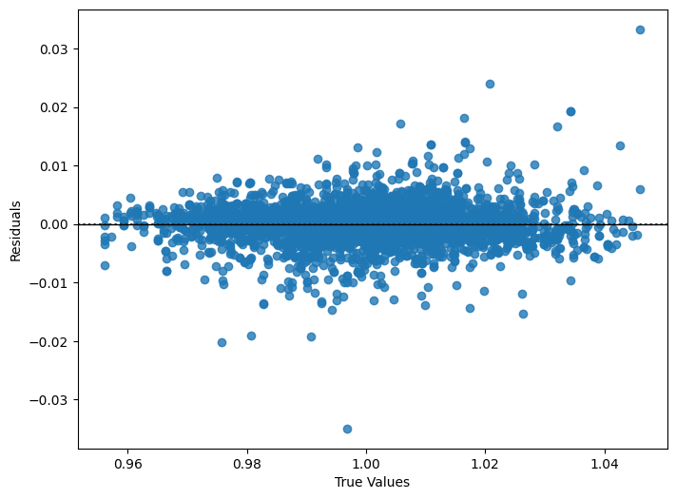
Xtreme GB | red, blue, green, nir08, swir16, swir22, coastal, lwir11, building_height, building_sd, building_year, building_area, street_width, street_lane, ndvi, ndbi, ndwi, albedo, VAR, Building_area_per_pixel, street_traffic, street_orientation, Mean_nearest_CO, Std_CO, Mean_nearest_SO2, Std_SO2, Mean_nearest_NO2, Std_NO2, Mean_nearest_O3, Std_O3, Mean_nearest_PM10, Std_PM10, Mean_nearest_PM25, Std_PM25, Mean_nearest_VOC, Std_VOC, Mean_nearest_NO, Std_NO | one-hot encoding to categorical columns | n_estimators=500, learning_rate=0.05, max_depth=10, min_child_weight=5, colsample_bytree=1, subsample=0.8, random_state=42 | r^2 | 0.9890 | 0.7505 | 0.8128 | 10 | 0.7417 | 0.0255 | 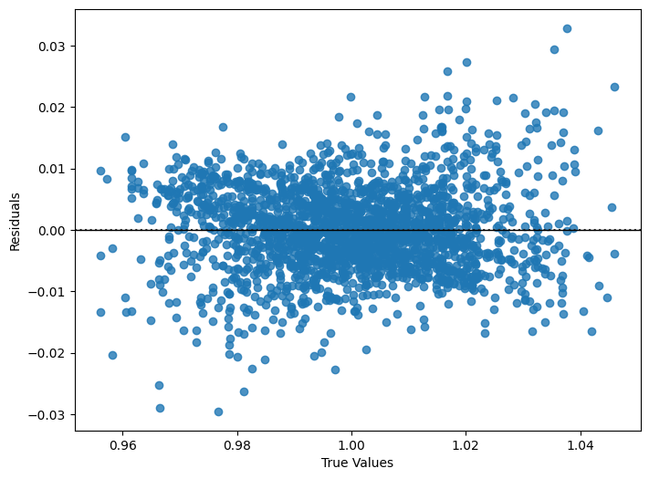
Xtreme GB | red, blue, green, nir08, swir16, swir22, coastal, lwir11, building_height, building_sd, building_year, building_area, street_width, street_lane, ndvi, ndbi, ndwi, albedo, VAR, Building_area_per_pixel, street_traffic, street_orientation, AOD, PM_2.5, NO2, SO2 | one-hot encoding to categorical columns | n_estimators=300, learning_rate=0.05, max_depth=9, min_child_weight=5, colsample_bytree=1, subsample=0.7, random_state=42 | r^2 | 0.9817 | 0.6824 | 0.8053 | 10 | 0.6696 | 0.0282 | 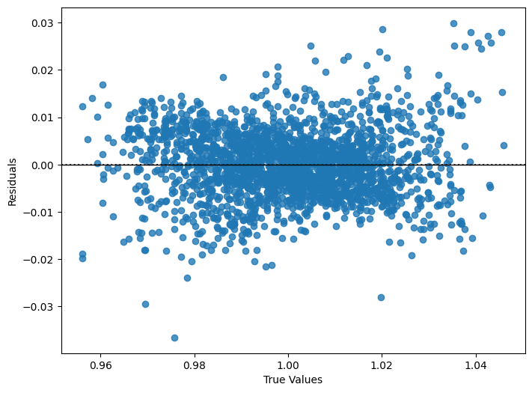
Xtreme GB | red, blue, green, nir08, swir16, swir22, coastal, lwir11, building_height, building_sd, building_year, building_area, street_width, street_lane, ndvi, ndbi, ndwi, albedo, VAR, Building_area_per_pixel, street_traffic, street_orientation | one-hot encoding to categorical columns | default | r^2 | 0.9466 | 0.6290 | 0.7629 | 10 | 0.6223 | 0.0419
CatBoost | red, blue, green, nir08, swir16, swir22, coastal, lwir11, building_height, building_sd, building_year, building_area, street_width, street_lane, ndvi, ndbi, ndwi, albedo, VAR, Building_area_per_pixel, street_traffic, street_orientation | one-hot encoding to categorical columns | default | r^2 | 0.7270 | 0.4998 | 0.5796 | 10 | 0.5140 | 0.0302

